About
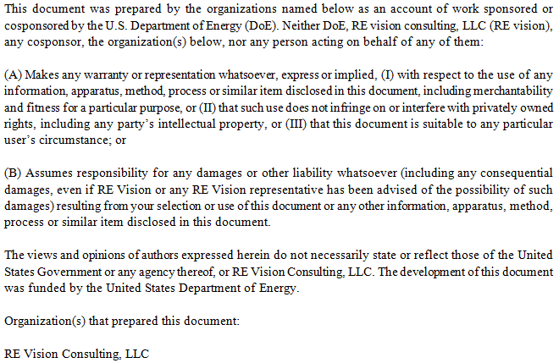
Cost Breakdown Structure for RME Wave Energy Device

Created by |  | Mirko Previsic
Company |  | RE Vision Consulting, LLC
Contact |  | mirko@re-vision.net
Date |  | 2017-07-07

Comments/Notes
 | 1. This spreadsheet provides an LCoE baseline for the RME SurgeWEC device in Support of the Controls Optimization Project
 | 2. Cost Estimates provided herein are based on estimates provided by RME. Detailed cost justifications were previously submitted to DoE under a SPAI project
 | 3. Performance is based on shallow-water resource estimate from Yakutat site
 | 4. Performance Assessment uses an optimized linear damping term (optimized on a sea-state by sea-state basis)
 | 5. Cost values are based on a large > 100MW installation.

Disclaimer

